GOAL
Life Cycle Assessment: Title Here

Name
Organization
Email
Date

GOAL

Application, Purpose, and Involved Parties

Intended Application | The study aims to provide insights into achieving a circular CO2 economy and maintaining a safe operating space within the plastic industry. It also seeks to provide a universal life cycle model for evaluating the true environmental impact of PHA production.

Reasons for Study | The study addresses the significant contribution of fossil-fuel-derived plastic to resource depletion and global warming. Decarbonizing plastic production is crucial, as the plastic industry currently contributes 4.5% of global CO2 emissions. The global warming potential of the plastic industry has been reported to surpass the planetary boundary by 38 times. The study also highlights the challenges of achieving high recycling rates for fossil-based plastics and the potential risks of microplastic exposure during recycling processes. Bio-derived materials like PHA are gaining attention for their potential to decarbonize the plastic industry by avoiding fossil carbon extraction and acting as carbon sequestrants.

Intended Audience | The study aims to enable researchers to understand the CO2 footprint of PHA under various production conditions. It also provides a clear roadmap for policymakers, industry stakeholders, and researchers to prioritize the development and deployment of bio-based polymers as part of a holistic strategy to decarbonize the plastics sector and advance the circular economy.

Commissioners of Study | This information is not explicitly provided in the papers.

Involved Partners in Study | Bluepha Co., Ltd. provided comprehensive, accurate, and timely data from their PHA production plant in Eastern China, covering raw materials, utilities, waste treatment, and transportation.

Usability Limitations

Limitations and Explanation | Data availability for use phase: The use phase, such as downstream processing of a specific product, could not be accessed due to a lack of data. Variability in third-generation carbon sources: Third-generation carbon sources like wastewater and flue gas utilization show significant variability between plants, increasing uncertainty and processing difficulties, making them unsuitable for large-scale PHA production modeling in this study. Economic factors and location dependence in existing analyses: Existing analyses often neglect economic considerations, location dependence, and end-of-life costs, leading to conclusions valid only under specific conditions and locations, which can be misleading and limit applicability. Challenges in scaling composting infrastructure: While composting is considered the optimal end-of-life treatment for PHA, ensuring all PHA is treated through composting remains a challenge, and scaling up composting infrastructure is essential to realize these benefits. Challenges in tracing and decarbonizing upstream chemical emissions: While using alternative chemicals with low carbon intensity benefits overall emissions, tracing and decarbonizing the entire upstream emissions from chemicals used remains challenging. Feedstock availability constraints: The current global supplies of palm oil and waste cooking oil are insufficient to meet the projected plastic market demand. Even with rapid growth, they can only replace at most ~25% currently and up to 45% of fossil plastic by 2050. All potential candidates, including vegetable oils and starchy food, would be required to meet present plastic demand. Food vs. fuel/chemical dilemma for starchy feedstocks: Utilizing starchy materials, despite their low cradle-to-gate carbon intensity and higher production, risks exacerbating food insecurity. Shift in environmental burdens: While global warming potential is the primary criterion for evaluation, alternative technologies reducing CO2 e emissi

Study Context

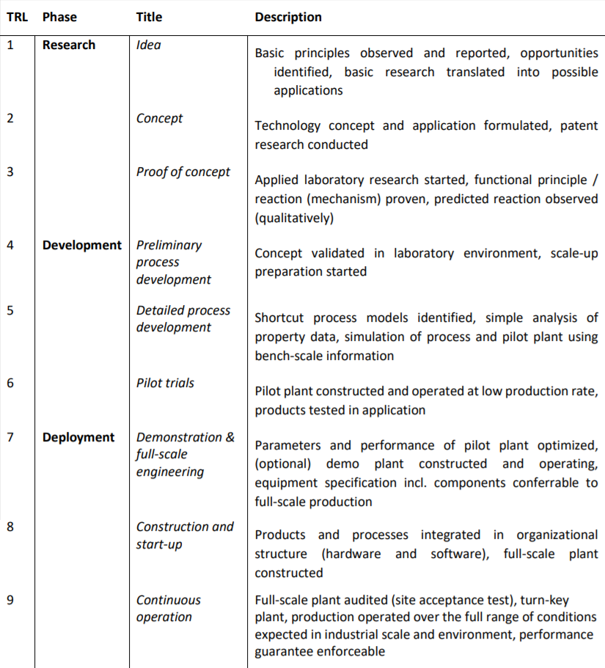
Technology | The study focuses on Polyhydroxyalkanoates (PHA) production. The PHA production process involves raw material acquisition, fermentation, extraction, pelleting, and end-of-life treatment

Technology Readiness Level (TRL) | While not explicitly stated as a TRL, the study mentions Bluepha, Co., operating a PHA production plant in Eastern China, providing "fully transparent in-plant data". It also discusses "emerging stage of the technology" for PHA production leading to high research, overhead, and plant maintenance costs , and forecast future production costs aligning with increased "technological readiness levels". This implies a TRL past the laboratory stage, likely pilot to early commercial scale.

Comparison Technology | The primary comparison is with conventional fossil-based plastics. The study also compares PHA's environmental impact with recycled fossil-based plastics.

Location Used in Assessment | Location used in assessment: The in-plant data is from a PHA production plant in Eastern China. The assessment also considers various global regions and specific countries for electricity grid carbon intensity, including the European Union and Chinese provinces.

Time Horizon of Assessment | Current (2022) conditions: For baseline carbon footprint and electricity mix. Short-term projected scenarios (2030/35): For improvements in PHA production and projected electricity mixes. Long-term net-zero emissions (NZE) scenarios (2050): For the lowest possible carbon footprint with green utilities and strict carbon capture

Scale of Production | Current: 9 kilotonnes per annum (kta) for a large-scale plant. Projected: 500 kilotonnes per annum (kta) for a full industrial scale.

Scenarios

2024 Yancheng, China (Base Case Scenario) | Electricity: Mixed grid, Yancheng, Jiangsu, China. Steam: Conventional steam production. Feedstock: Palm oil from Malaysia, with methane captured. Chemicals: Conventional chemicals. Transport: Real distance marine transport + 1000 km by road (EU6). Direct emission: 0% Carbon Capture (CC). End of Life: Current conditions.

Short-term 2030/35 (Improved Scenario) | Electricity: 2030/35 projection. Steam: Byproduct steam from chemical process. Feedstock: Waste cooking oil, conventional treatment. Chemicals: Conventional chemicals. Transport: 1000 km by road (EU6). Direct emission: 80% Carbon Capture (CC). End of Life: 2030, Under controlled scenario

Long-term 2050 (Net-Zero Emissions Scenario - NZE) | Electricity: 2050 projection. Steam: Byproduct steam from green chemical process. Feedstock: Waste cooking oil, treated with green electricity and steam. Chemicals: Chemicals with green electricity and steam. Transport: 1000 km by road (EU6). Direct emission: 90% Carbon Capture (CC). End of Life: 2050, Net Zero Emission scenario.

SCOPE
SCOPE

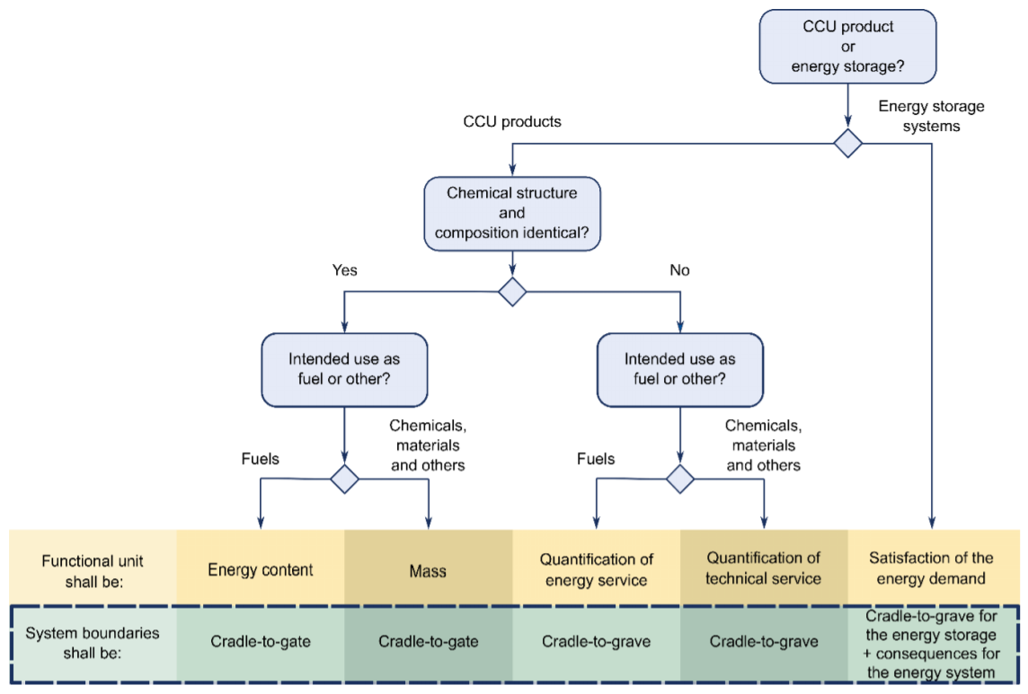
Application, Functional Unit, and Reference Flow

Final Product

Application of Product

Functional Unit

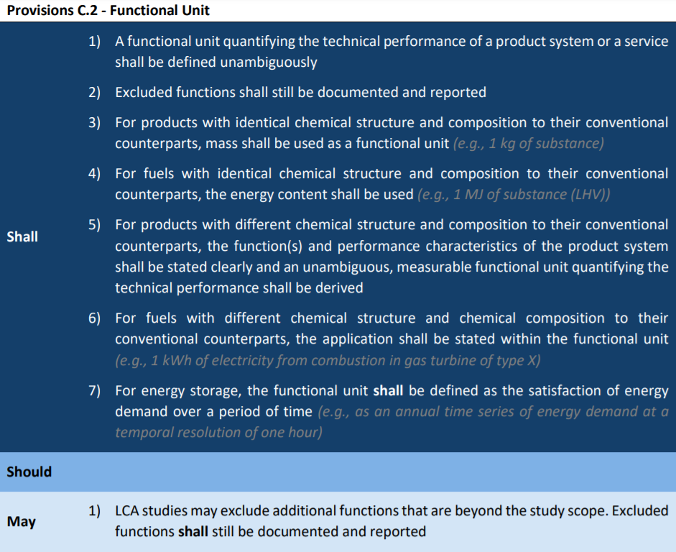
Reference Flow

System Boundaries and Unit Processes

System Boundaries

Overview of Relevant Unit Processes

Simplified Graphical Representation

Raw material 4
Electricity
Natural gas
Electricity
Raw material 1

Process 1
Process 2
Process 3
Raw material 2
Final product

Raw material 3
Waste
Waste

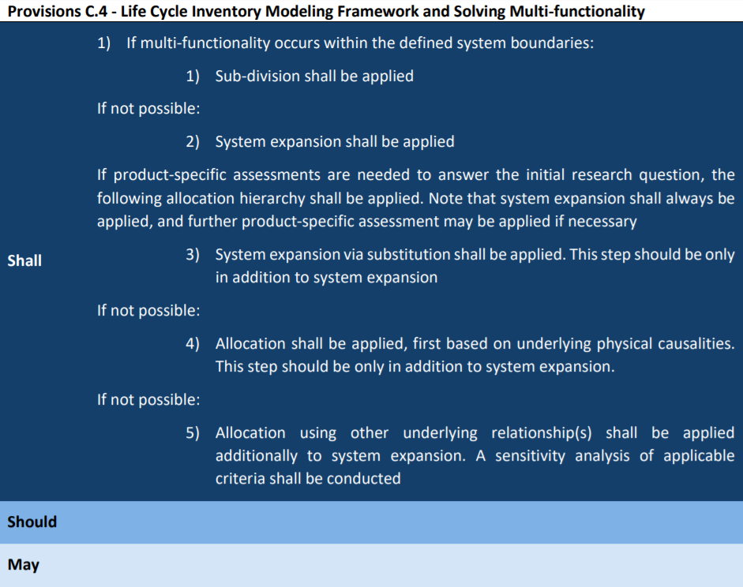
Multifunctionality and Allocation

Wastes Used and Allocation

By-products/Co-products and Allocation

Benchmark Product

Benchmark Product(s) and Explanation

Impact Assessment Approach

Method and Impact Categories

